Results
ISA 2027 | ISA 6 | ISA 2027 | ISA 6 | ISA 2027 | ISA 6 | ISA 2027 | ISA 6 | ISA 2027 | ISA 6 | ISA 2027 | ISA 6 | ISA 2027 | ISA 6 | ISA 2027 | ISA 6
Information Security Assessment Results | Information Security Assessment Results | Information Security Assessment Results | Information Security Assessment Results
 |  | Result with cutback to target maturity level: | Result with cutback to target maturity level: |  |  |  |  |  |  | Maximum score: | Maximum score: | 3.00 | 3.00
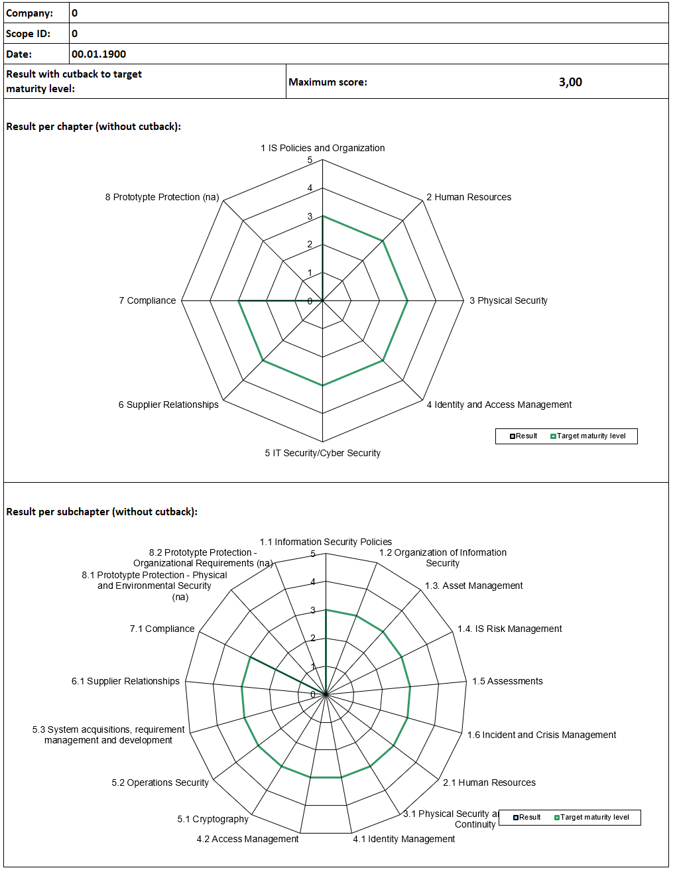
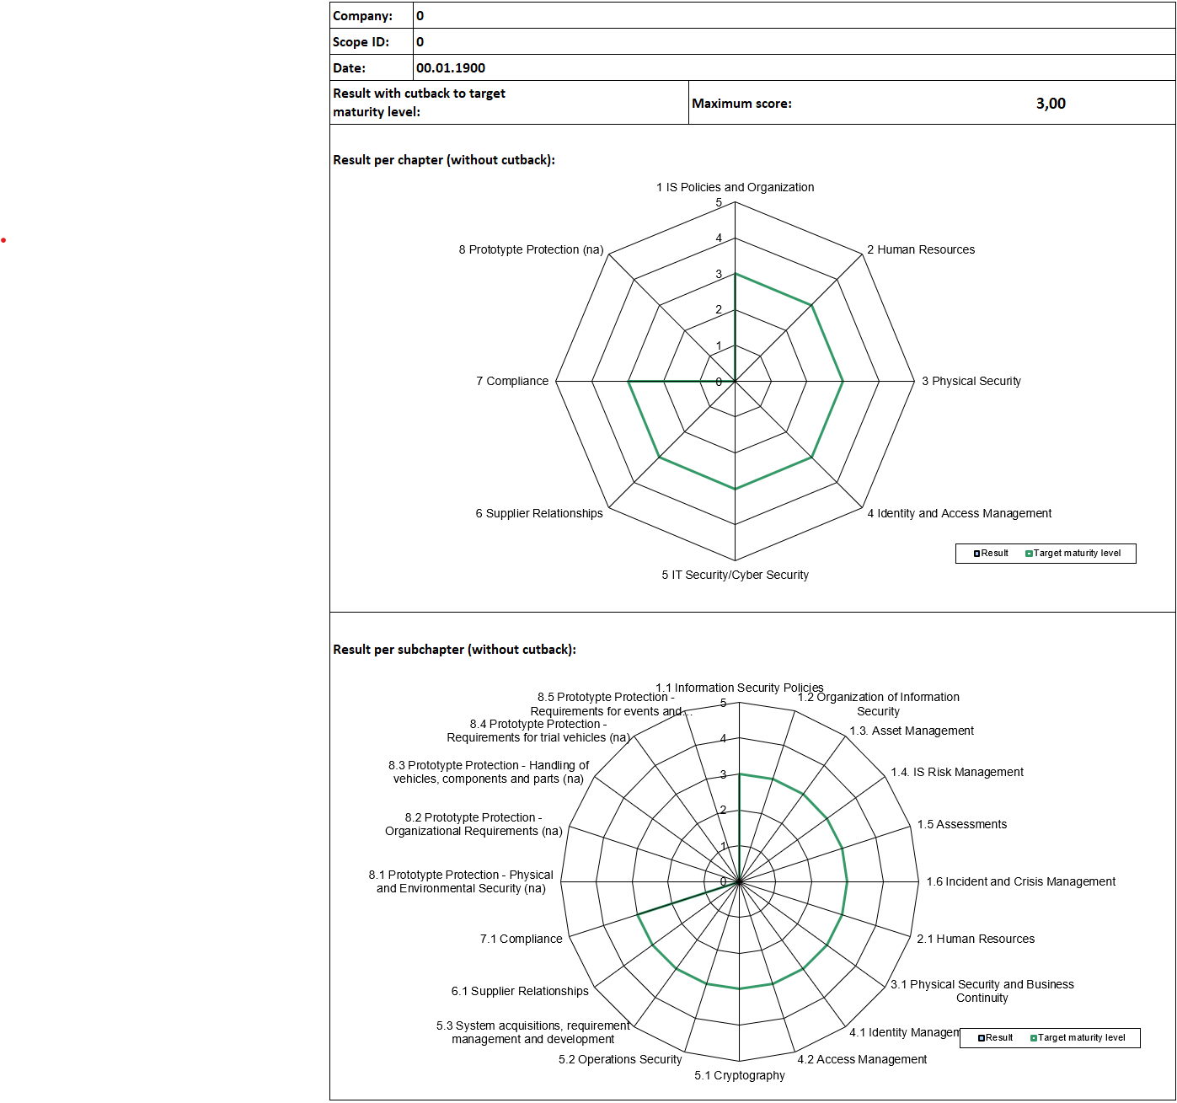
Company: |  | Details: | Details:
 |  | No. | No. | Subject | Subject |  |  |  |  |  |  | Target maturity level | Target maturity level | Result | Result
 |  | 1.1.1 | 1.1.1 | To what extent are information security policies available? | To what extent are information security policies available? |  |  |  |  |  |  | 3 | 3
 |  | 1.2.1 | 1.2.1 | To what extent is information security managed within the organization? | To what extent is information security managed within the organization? |  |  |  |  |  |  | 3 | 3
 |  | 1.2.2 | 1.2.2 | To what extent are information security responsibilities organized? | To what extent are information security responsibilities organized? |  |  |  |  |  |  | 3 | 3
 |  | 1.2.3 | 1.2.3 | To what extent are information security requirements considered in projects? | To what extent are information security requirements considered in projects? |  |  |  |  |  |  | 3 | 3
 |  |  | 1.2.4 |  | To what extent are the responsibilities between external IT service providers and the own organization defined? |  |  |  |  |  |  |  | 3
 |  | 1.3.1 | 1.3.1 | To what extent are information assets identified and recorded? | To what extent are information assets identified and recorded? |  |  |  |  |  |  | 3 | 3
 |  | 1.3.2 | 1.3.2 | To what extent are information assets classified and managed in terms of their protection needs? | To what extent are information assets classified and managed in terms of their protection needs? |  |  |  |  |  |  | 3 | 3
 |  | 1.3.3 | 1.3.3 | To what extent is it ensured that only evaluated and approved external IT services are used for processing the organization’s information assets? | To what extent is it ensured that only evaluated and approved external IT services are used for processing the organization’s information assets? |  |  |  |  |  |  | 3 | 3
 |  | 1.3.4 | 1.3.4 | To what extent is it ensured that only evaluated and approved software is used for processing the organization’s information assets? | To what extent is it ensured that only evaluated and approved software is used for processing the organization’s information assets? |  |  |  |  |  |  | 3 | 3
 |  | 1.4.1 | 1.4.1 | To what extent are information security risks managed? | To what extent are information security risks managed? |  |  |  |  |  |  | 3 | 3
 |  | 1.5.1 | 1.5.1 | To what extent is compliance with information security ensured in procedures and processes? | To what extent is compliance with information security ensured in procedures and processes? |  |  |  |  |  |  | 3 | 3
 |  | 1.5.2 | 1.5.2 | To what extent is the ISMS reviewed by an independent authority? | To what extent is the ISMS reviewed by an independent authority? |  |  |  |  |  |  | 3 | 3
 |  | 1.6.1 | 1.6.1 | To what extent are information security relevant events or observations reported? | To what extent are information security relevant events or observations reported? |  |  |  |  |  |  | 3 | 3
 |  | 1.6.2 | 1.6.2 | To what extent are reported security events managed? | To what extent are reported security events managed? |  |  |  |  |  |  | 3 | 3
 |  | 1.6.3 | 1.6.3 | To what extent is the organization prepared to handle crisis situations? | To what extent is the organization prepared to handle crisis situations? |  |  |  |  |  |  | 3 | 3
 |  | 2.1.1 | 2.1.1 | To what extent is the qualification of employees for sensitive work fields ensured? | To what extent is the qualification of employees for sensitive work fields ensured? |  |  |  |  |  |  | 3 | 3
 |  | 2.1.2 | 2.1.2 | ​To what extent is all staff contractually bound to comply with information security policies? | To what extent is all staff contractually bound to comply with information security policies? |  |  |  |  |  |  | 3 | 3
 |  | 2.1.3 | 2.1.3 | To what extent is staff made aware of and trained with respect to the risks arising from the handling of information? | To what extent is staff made aware of and trained with respect to the risks arising from the handling of information? |  |  |  |  |  |  | 3 | 3
 |  | 2.1.4 | 2.1.4 | To what extent is mobile work regulated? | To what extent is mobile work regulated? |  |  |  |  |  |  | 3 | 3
 |  | 3.1.1 | 3.1.1 | To what extent are security zones managed to protect information assets? | To what extent are security zones managed to protect information assets? |  |  |  |  |  |  | 3 | 3
 |  | 3.1.2 | 3.1.2 | Superseded by 1.6.3, 5.2.8 and 5.2.9 | Superseded by 1.6.3, 5.2.8 and 5.2.9 |  |  |  |  |  |  | na | na | na | na
 |  | 3.1.3 | 3.1.3 | ​To what extent is the handling of supporting assets managed? | To what extent is the handling of supporting assets managed? |  |  |  |  |  |  | 3 | 3
 |  | 3.1.4 | 3.1.4 | To what extent is the handling of mobile IT devices and mobile data storage devices managed? | To what extent is the handling of mobile IT devices and mobile data storage devices managed? |  |  |  |  |  |  | 3 | 3
 |  | 4.1.1 | 4.1.1 | To what extent is the use of identification means managed? | To what extent is the use of identification means managed? |  |  |  |  |  |  | 3 | 3
 |  | 4.1.2 | 4.1.2 | To what extent is the user access to IT services and IT systems secured? | To what extent is the user access to IT services and IT systems secured? |  |  |  |  |  |  | 3 | 3
 |  | 4.1.3 | 4.1.3 | To what extent are user accounts and login information securely managed and applied? | To what extent are user accounts and login information securely managed and applied? |  |  |  |  |  |  | 3 | 3
 |  | 4.2.1 | 4.2.1 | To what extent are access rights assigned and managed? | To what extent are access rights assigned and managed? |  |  |  |  |  |  | 3 | 3
 |  | 5.1.1 | 5.1.1 | To what extent is the use of cryptographic procedures managed? | To what extent is the use of cryptographic procedures managed? |  |  |  |  |  |  | 3 | 3
 |  | 5.1.2 | 5.1.2 | To what extent is information protected during transfer? | To what extent is information protected during transfer? |  |  |  |  |  |  | 3 | 3
 |  | 5.2.1 | 5.2.1 | To what extent are changes managed? | To what extent are changes managed? |  |  |  |  |  |  | 3 | 3
 |  | 5.2.2 | 5.2.2 | To what extent are development and testing environments separated from operational environments? | To what extent are development and testing environments separated from operational environments? |  |  |  |  |  |  | 3 | 3
 |  | 5.2.3 | 5.2.3 | To what extent are IT systems protected against malware? | To what extent are IT systems protected against malware? |  |  |  |  |  |  | 3 | 3
 |  | 5.2.4 | 5.2.4 | To what extent are event logs recorded and analysed? | To what extent are event logs recorded and analysed? |  |  |  |  |  |  | 3 | 3
 |  | 5.2.5 | 5.2.5 | To what extent are vulnerabilities identified and addressed? | To what extent are vulnerabilities identified and addressed? |  |  |  |  |  |  | 3 | 3
 |  | 5.2.6 | 5.2.6 | To what extent are IT systems and services technically checked (system and service audit)? | To what extent are IT systems and services technically checked (system and service audit)? |  |  |  |  |  |  | 3 | 3
 |  | 5.2.7 | 5.2.7 | ​To what extent is the network of the organization managed? | To what extent is the network of the organization managed? |  |  |  |  |  |  | 3 | 3
 |  | 5.2.8 | 5.2.8 | To what extent is continuity planning for IT services in place? | To what extent is continuity planning for IT services in place? |  |  |  |  |  |  | 3 | 3
 |  | 5.2.9 | 5.2.9 | To what extent is the backup and recovery of data and IT services ensured? | To what extent is the backup and recovery of data and IT services ensured? |  |  |  |  |  |  | 3 | 3
 |  | 5.3.1 | 5.3.1 | To what extent is information security considered in new or further developed IT service? | To what extent is information security considered in new or further developed IT systems? |  |  |  |  |  |  | 3 | 3
 |  | 5.3.2 | 5.3.2 | To what extent are requirements for network services defined? | To what extent are requirements for network services defined? |  |  |  |  |  |  | 3 | 3
 |  | 5.3.3 | 5.3.3 | ​To what extent is the return and secure removal of information assets from external IT services regulated? | To what extent is the return and secure removal of information assets from external IT services regulated? |  |  |  |  |  |  | 3 | 3
 |  | 5.3.4 | 5.3.4 | To what extent is information protected in shared external IT services? | To what extent is information protected in shared external IT services? |  |  |  |  |  |  | 3 | 3
 |  | 6.1.1 | 6.1.1 | To what extent is information security ensured among contractors and cooperation partners? | To what extent is information security ensured among contractors and cooperation partners? |  |  |  |  |  |  | 3 | 3
 |  | 6.1.2 | 6.1.2 | To what extent is non-disclosure regarding the exchange of information contractually agreed? | To what extent is non-disclosure regarding the exchange of information contractually agreed? |  |  |  |  |  |  | 3 | 3
 |  | 6.1.3 |  | To what extent are the responsibilities between external IT service providers and the own organization defined? |  |  |  |  |  |  |  | 3
 |  | 7.1.1 | 7.1.1 | To what extent is compliance with regulatory and contractual provisions ensured? | To what extent is compliance with regulatory and contractual provisions ensured? |  |  |  |  |  |  | 3 | 3
 |  | 7.1.2 | 7.1.2 | To what extent is the protection of personal data considered when implementing information security? | To what extent is the protection of personally identifiable data considered when implementing information security? |  |  |  |  |  |  | 3 | 3
 |  | Method: | Method: | - comparison of the top 41 security topics | - comparison of the top 41 security topics
 |  |  |  | - based on ISO/IEC 27001:2022 controls | - based on ISO 27001 controls
 |  |  |  | - evaluated according to SPICE ISO 15504 | - evaluated according to SPICE ISO 15504

 |  | Information Security Assessment Results - Prototype Protection | Information Security Assessment Results - Prototype Protection
 |  | Result with cutback to target maturity level: | Result with cutback to target maturity level: |  |  |  |  |  |  | Maximum score: | Maximum score: | 3.00 | 3.00
 |  | Details: | Details:
 |  | No. | No. | Subject | Subject |  |  |  |  |  |  | Target maturity level | Target maturity level | Result | Result
 |  | 8.1 | 8.1 | Organizational requirements | Physical and Environmental Security
 |  | 8.1.1 | 8.1.1 | Regulations | Security concept |  |  |  |  |  |  | 3 | 3
 |  | 8.1.2 | 8.1.2 | Order-specific requirements and specifications | Perimeter security |  |  |  |  |  |  | 3 | 3
 |  | 8.1.3 | 8.1.3 | Awareness | Stability of outer skin |  |  |  |  |  |  | 3 | 3
 |  | 8.1.4 | 8.1.4 | Qualifications | View and sight protection |  |  |  |  |  |  | 3 | 3
 |  | 8.1.5 | 8.1.5 | Non-disclosure obligations | Protection against unauthorized entry and access control |  |  |  |  |  |  | 3 | 3
 |  | 8.1.6 | 8.1.6 | Subcontractors | Intrusion monitoring |  |  |  |  |  |  | 3 | 3
 |  | 8.1.7 | 8.1.7 | Security areas | Visitor management |  |  |  |  |  |  | 3 | 3
 |  | 8.1.8 | 8.1.8 | Visitor management | Client segregation |  |  |  |  |  |  | 3 | 3
 |  | 8.1.9 |  | Mobile video and photo regulations |  |  |  |  |  |  |  | 3
 |  | 8.1.10 |  | Image regulations |  |  |  |  |  |  |  | 3
 |  | 8.1.11 |  | Incident management |  |  |  |  |  |  |  | 3
 |  | 8.1.12 |  | Secure processing |  |  |  |  |  |  |  | 3
 |  | 8.1.13 |  | Secure disposal |  |  |  |  |  |  |  | 3
 |  | 8.2 | 8.2 | Physical and Environmental Security | Organizational Requirements
 |  | 8.2.1 | 8.2.1 | Security concept | Non-disclosure obligations |  |  |  |  |  |  | 3 | 3
 |  | 8.2.2 | 8.2.2 | Perimeter security | Subcontractors |  |  |  |  |  |  | 3 | 3
 |  | 8.2.3 | 8.2.3 | Stability of outer skin | Awareness |  |  |  |  |  |  | 3 | 3
 |  | 8.2.4 | 8.2.4 | View of sight protection | Security classification |  |  |  |  |  |  | 3 | 3
 |  | 8.2.5 | 8.2.5 | Protection against unauthorized entry and access control | Access control |  |  |  |  |  |  | 3 | 3
 |  | 8.2.6 | 8.2.6 | Intrusion monitoring | Film and photo regulations |  |  |  |  |  |  | 3 | 3
 |  | 8.2.7 | 8.2.7 | On-site segregation | Mobile video and photography devices |  |  |  |  |  |  | 3 | 3
 |  |  | 8.3 |  | Handling of vehicles, components and parts
 |  |  | 8.3.1 |  | Transport |  |  |  |  |  |  |  | 3
 |  |  | 8.3.2 |  | Parking and storage |  |  |  |  |  |  |  | 3
 |  |  | 8.4 |  | Requirements for trial vehicles
 |  |  | 8.4.1 |  | Camouflage |  |  |  |  |  |  |  | 3
 |  |  | 8.4.2 |  | Test and trial ground |  |  |  |  |  |  |  | 3
 |  |  | 8.4.3 |  | Test and trial drives on public roads |  |  |  |  |  |  |  | 3
 |  |  | 8.5 |  | Requirements for events and shootings
 |  |  | 8.5.1 |  | Presentations and events |  |  |  |  |  |  |  | 3
 |  |  | 8.5.2 |  | Film and photo shootings |  |  |  |  |  |  |  | 3

License
ISA 2027 | ISA 6
Information Security Assessment License | Information Security Assessment License
© 2026 ENX Association, an Association according to the French Law of 1901, registered under No. w923004198 at the Sous-préfecture of Boulogne-Billancourt, France. This work of ENX's Working Group ISA was provided to the VDA in the present version by the ENX Association for published by the VDA as the VDA ISA. It is made to all interested parties free of charge under the following licensing terms. The release in the VDA is done by the VDA's Working Group Information Security and Economic Protection. Publication takes place with the consent of the rights holder. The VDA is responsible for the publication of the VDA ISA. The Tab "Data Protection" is provided, owned and copyrighted by VERBAND DER AUTOMOBILINDUSTRIE e. V. (VDA, German Association of the Automotive Industry); Behrenstr. 35; 10117 Berlin | © 2023 ENX Association, an Association according to the French Law of 1901, registered under No. w923004198 at the Sous-préfecture of Boulogne-Billancourt, France. This work of ENX's Working Group ISA was provided to the VDA in the present version by the ENX Association for published by the VDA as the VDA ISA. It is made to all interested parties free of charge under the following licensing terms. The release in the VDA is done by the VDA's Working Group Information Security and Economic Protection. Publication takes place with the consent of the rights holder. The VDA is responsible for the publication of the VDA ISA. The Tab "Data Protection" is provided, owned and copyrighted by VERBAND DER AUTOMOBILINDUSTRIE e. V. (VDA, German Association of the Automotive Industry); Behrenstr. 35; 10117 Berlin

This work has been licensed under Creative Commons Attribution - No Derivative Works 4.0 International Public License. In addition, You are granted the right to distribute derivatives under certain terms as detailed in section 9 which are not part of the Creative Commons license. The complete and valid text of the license is to be found in line 17ff. |  This work has been licensed under Creative Commons Attribution - No Derivative Works 4.0 International Public License. In addition, You are granted the right to distribute derivatives under certain terms as detailed in section 9 which are not part of the Creative Commons license. The complete and valid text of the license is to be found in line 17ff.

You are free to: | You are free to:
· Share — copy and redistribute the material in any medium or format | · Share — copy and redistribute the material in any medium or format
· for any purpose, even commercially. | · for any purpose, even commercially.
· The licensor cannot revoke these freedoms as long as you follow the license terms. | · The licensor cannot revoke these freedoms as long as you follow the license terms.
Under the following terms: | Under the following terms:
· Attribution — You must give appropriate credit, provide a link to the license, and indicate if changes were made. You may do so in any reasonable manner, but not in any way that suggests the licensor endorses you or your use. | · Attribution — You must give appropriate credit, provide a link to the license, and indicate if changes were made. You may do so in any reasonable manner, but not in any way that suggests the licensor endorses you or your use.
· Restricted derivatives — If you change or otherwise build directly upon the material, You may only distribute the modified material if it is clearly marked as a derivative not approved by the licensor and if all logos and/or trademarks of the licensor have been removed. | · Restricted derivatives — If you change or otherwise build directly upon the material, You may only distribute the modified material if it is clearly marked as a derivative not approved by the licensor and if all logos and/or trademarks of the licensor have been removed.
· No additional restrictions — You may not apply any additional legal terms or technological measures that legally restrict others from doing anything the license permits. | · No additional restrictions — You may not apply any additional legal terms or technological measures that legally restrict others from doing anything the license permits.

Creative Commons Attribution-NoDerivatives 4.0 International Public License | Creative Commons Attribution-NoDerivatives 4.0 International Public License
By exercising the Licensed Rights (defined below), You accept and agree to be bound by the terms and conditions of this Creative Commons Attribution-NoDerivatives 4.0 International Public License ("Public License"). To the extent this Public License may be interpreted as a contract, You are granted the Licensed Rights in consideration of Your acceptance of these terms and conditions, and the Licensor grants You such rights in consideration of benefits the Licensor receives from making the Licensed Material available under these terms and conditions. | By exercising the Licensed Rights (defined below), You accept and agree to be bound by the terms and conditions of this Creative Commons Attribution-NoDerivatives 4.0 International Public License ("Public License"). To the extent this Public License may be interpreted as a contract, You are granted the Licensed Rights in consideration of Your acceptance of these terms and conditions, and the Licensor grants You such rights in consideration of benefits the Licensor receives from making the Licensed Material available under these terms and conditions.
Section 1 – Definitions. | Section 1 – Definitions.
a. Adapted Material means material subject to Copyright and Similar Rights that is derived from or based upon the Licensed Material and in which the Licensed Material is translated, altered, arranged, transformed, or otherwise modified in a manner requiring permission under the Copyright and Similar Rights held by the Licensor. For purposes of this Public License, where the Licensed Material is a musical work, performance, or sound recording, Adapted Material is always produced where the Licensed Material is synched in timed relation with a moving image. | a. Adapted Material means material subject to Copyright and Similar Rights that is derived from or based upon the Licensed Material and in which the Licensed Material is translated, altered, arranged, transformed, or otherwise modified in a manner requiring permission under the Copyright and Similar Rights held by the Licensor. For purposes of this Public License, where the Licensed Material is a musical work, performance, or sound recording, Adapted Material is always produced where the Licensed Material is synched in timed relation with a moving image.
b. Copyright and Similar Rights means copyright and/or similar rights closely related to copyright including, without limitation, performance, broadcast, sound recording, and Sui Generis Database Rights, without regard to how the rights are labelled or categorized. For purposes of this Public License, the rights specified in Section 2(b)(1)-(2) are not Copyright and Similar Rights. | b. Copyright and Similar Rights means copyright and/or similar rights closely related to copyright including, without limitation, performance, broadcast, sound recording, and Sui Generis Database Rights, without regard to how the rights are labelled or categorized. For purposes of this Public License, the rights specified in Section 2(b)(1)-(2) are not Copyright and Similar Rights.
c. Effective Technological Measures means those measures that, in the absence of proper authority, may not be circumvented under laws fulfilling obligations within the meaning of Article 11 of the WIPO Copyright Treaty adopted on December 20, 1996, and/or similar international agreements. | c. Effective Technological Measures means those measures that, in the absence of proper authority, may not be circumvented under laws fulfilling obligations within the meaning of Article 11 of the WIPO Copyright Treaty adopted on December 20, 1996, and/or similar international agreements.
d. Exceptions and Limitations means fair use, fair dealing, and/or any other exception or limitation to Copyright and Similar Rights that applies to Your use of the Licensed Material. | d. Exceptions and Limitations means fair use, fair dealing, and/or any other exception or limitation to Copyright and Similar Rights that applies to Your use of the Licensed Material.
e. Licensed Material means the artistic or literary work, database, or other material to which the Licensor applied this Public License. | e. Licensed Material means the artistic or literary work, database, or other material to which the Licensor applied this Public License.
f. Licensed Rights means the rights granted to You subject to the terms and conditions of this Public License, which are limited to all Copyright and Similar Rights that apply to Your use of the Licensed Material and that the Licensor has authority to license. | f. Licensed Rights means the rights granted to You subject to the terms and conditions of this Public License, which are limited to all Copyright and Similar Rights that apply to Your use of the Licensed Material and that the Licensor has authority to license.
g. Licensor means the individual(s) or entity(ies) granting rights under this Public License. | g. Licensor means the individual(s) or entity(ies) granting rights under this Public License.
h. Share means to provide material to the public by any means or process that requires permission under the Licensed Rights, such as reproduction, public display, public performance, distribution, dissemination, communication, or importation, and to make material available to the public including in ways that members of the public may access the material from a place and at a time individually chosen by them. | h. Share means to provide material to the public by any means or process that requires permission under the Licensed Rights, such as reproduction, public display, public performance, distribution, dissemination, communication, or importation, and to make material available to the public including in ways that members of the public may access the material from a place and at a time individually chosen by them.
i. Sui Generis Database Rights means rights other than copyright resulting from Directive 96/9/EC of the European Parliament and of the Council of 11 March 1996 on the legal protection of databases, as amended and/or succeeded, as well as other essentially equivalent rights anywhere in the world. | i. Sui Generis Database Rights means rights other than copyright resulting from Directive 96/9/EC of the European Parliament and of the Council of 11 March 1996 on the legal protection of databases, as amended and/or succeeded, as well as other essentially equivalent rights anywhere in the world.
j. You means the individual or entity exercising the Licensed Rights under this Public License. Your has a corresponding meaning. | j. You means the individual or entity exercising the Licensed Rights under this Public License. Your has a corresponding meaning.
Section 2 – Scope. | Section 2 – Scope.
a. License grant. | a. License grant.
1. Subject to the terms and conditions of this Public License, the Licensor hereby grants You a worldwide, royalty-free, non-sublicensable, non-exclusive, irrevocable license to exercise the Licensed Rights in the Licensed Material to: | 1. Subject to the terms and conditions of this Public License, the Licensor hereby grants You a worldwide, royalty-free, non-sublicensable, non-exclusive, irrevocable license to exercise the Licensed Rights in the Licensed Material to:
A. reproduce and Share the Licensed Material, in whole or in part; and | A. reproduce and Share the Licensed Material, in whole or in part; and
B. produce and reproduce, but not Share, Adapted Material. | B. produce and reproduce, but not Share, Adapted Material.
2. Exceptions and Limitations. For the avoidance of doubt, where Exceptions and Limitations apply to Your use, this Public License does not apply, and You do not need to comply with its terms and conditions. | 2. Exceptions and Limitations. For the avoidance of doubt, where Exceptions and Limitations apply to Your use, this Public License does not apply, and You do not need to comply with its terms and conditions.
3. Term. The term of this Public License is specified in Section 6(a). | 3. Term. The term of this Public License is specified in Section 6(a).
4. Media and formats; technical modifications allowed. The Licensor authorizes You to exercise the Licensed Rights in all media and formats whether now known or hereafter created, and to make technical modifications necessary to do so. The Licensor waives and/or agrees not to assert any right or authority to forbid You from making technical modifications necessary to exercise the Licensed Rights, including technical modifications necessary to circumvent Effective Technological Measures. For purposes of this Public License, simply making modifications authorized by this Section 2(a)(4) never produces Adapted Material. | 4. Media and formats; technical modifications allowed. The Licensor authorizes You to exercise the Licensed Rights in all media and formats whether now known or hereafter created, and to make technical modifications necessary to do so. The Licensor waives and/or agrees not to assert any right or authority to forbid You from making technical modifications necessary to exercise the Licensed Rights, including technical modifications necessary to circumvent Effective Technological Measures. For purposes of this Public License, simply making modifications authorized by this Section 2(a)(4) never produces Adapted Material.
5. Downstream recipients. | 5. Downstream recipients.
A. Offer from the Licensor – Licensed Material. Each recipient of the Licensed Material will automatically receive an offer from the Licensor to exercise the Licensed Rights under the terms of this Public License. | A. Offer from the Licensor – Licensed Material. Each recipient of the Licensed Material will automatically receive an offer from the Licensor to exercise the Licensed Rights under the terms of this Public License.
B. No downstream restrictions. You may not offer or impose any additional or different terms or conditions on, or apply any Effective Technological Measures to, the Licensed Material if doing so restricts exercise of the Licensed Rights by any recipient of the Licensed Material. | B. No downstream restrictions. You may not offer or impose any additional or different terms or conditions on, or apply any Effective Technological Measures to, the Licensed Material if doing so restricts exercise of the Licensed Rights by any recipient of the Licensed Material.
6. No endorsement. Nothing in this Public License constitutes or may be construed as permission to assert or imply that You are, or that Your use of the Licensed Material is, connected with, or sponsored, endorsed, or granted official status by, the Licensor or others designated to receive attribution as provided in Section 3(a)(1)(A)(i). | 6. No endorsement. Nothing in this Public License constitutes or may be construed as permission to assert or imply that You are, or that Your use of the Licensed Material is, connected with, or sponsored, endorsed, or granted official status by, the Licensor or others designated to receive attribution as provided in Section 3(a)(1)(A)(i).
b. Other rights. | b. Other rights.
1. Moral rights, such as the right of integrity, are not licensed under this Public License, nor are publicity, privacy, and/or other similar personality rights; however, to the extent possible, the Licensor waives and/or agrees not to assert any such rights held by the Licensor to the limited extent necessary to allow You to exercise the Licensed Rights, but not otherwise. | 1. Moral rights, such as the right of integrity, are not licensed under this Public License, nor are publicity, privacy, and/or other similar personality rights; however, to the extent possible, the Licensor waives and/or agrees not to assert any such rights held by the Licensor to the limited extent necessary to allow You to exercise the Licensed Rights, but not otherwise.
2. Patent and trademark rights are not licensed under this Public License. | 2. Patent and trademark rights are not licensed under this Public License.
3. To the extent possible, the Licensor waives any right to collect royalties from You for the exercise of the Licensed Rights, whether directly or through a collecting society under any voluntary or waivable statutory or compulsory licensing scheme. In all other cases the Licensor expressly reserves any right to collect such royalties. | 3. To the extent possible, the Licensor waives any right to collect royalties from You for the exercise of the Licensed Rights, whether directly or through a collecting society under any voluntary or waivable statutory or compulsory licensing scheme. In all other cases the Licensor expressly reserves any right to collect such royalties.
Section 3 – License Conditions. | Section 3 – License Conditions.
Your exercise of the Licensed Rights is expressly made subject to the following conditions. | Your exercise of the Licensed Rights is expressly made subject to the following conditions.
a. Attribution. | a. Attribution.
1. If You Share the Licensed Material, You must: | 1. If You Share the Licensed Material, You must:
A. retain the following if it is supplied by the Licensor with the Licensed Material: | A. retain the following if it is supplied by the Licensor with the Licensed Material:
i. identification of the creator(s) of the Licensed Material and any others designated to receive attribution, in any reasonable manner requested by the Licensor (including by pseudonym if designated); | i. identification of the creator(s) of the Licensed Material and any others designated to receive attribution, in any reasonable manner requested by the Licensor (including by pseudonym if designated);
ii. a copyright notice; | ii. a copyright notice;
iii. a notice that refers to this Public License; | iii. a notice that refers to this Public License;
iv. a notice that refers to the disclaimer of warranties; | iv. a notice that refers to the disclaimer of warranties;
v. a URI or hyperlink to the Licensed Material to the extent reasonably practicable; | v. a URI or hyperlink to the Licensed Material to the extent reasonably practicable;
B. indicate if You modified the Licensed Material and retain an indication of any previous modifications; and | B. indicate if You modified the Licensed Material and retain an indication of any previous modifications; and
C. indicate the Licensed Material is licensed under this Public License, and include the text of, or the URI or hyperlink to, this Public License. | C. indicate the Licensed Material is licensed under this Public License, and include the text of, or the URI or hyperlink to, this Public License.
For the avoidance of doubt, You do not have permission under this Public License to Share Adapted Material. | For the avoidance of doubt, You do not have permission under this Public License to Share Adapted Material.
2. You may satisfy the conditions in Section 3(a)(1) in any reasonable manner based on the medium, means, and context in which You Share the Licensed Material. For example, it may be reasonable to satisfy the conditions by providing a URI or hyperlink to a resource that includes the required information. | 2. You may satisfy the conditions in Section 3(a)(1) in any reasonable manner based on the medium, means, and context in which You Share the Licensed Material. For example, it may be reasonable to satisfy the conditions by providing a URI or hyperlink to a resource that includes the required information.
3. If requested by the Licensor, You must remove any of the information required by Section 3(a)(1)(A) to the extent reasonably practicable. | 3. If requested by the Licensor, You must remove any of the information required by Section 3(a)(1)(A) to the extent reasonably practicable.
Section 4 – Sui Generis Database Rights. | Section 4 – Sui Generis Database Rights.
Where the Licensed Rights include Sui Generis Database Rights that apply to Your use of the Licensed Material: | Where the Licensed Rights include Sui Generis Database Rights that apply to Your use of the Licensed Material:
a. for the avoidance of doubt, Section 2(a)(1) grants You the right to extract, reuse, reproduce, and Share all or a substantial portion of the contents of the database, provided You do not Share Adapted Material; | a. for the avoidance of doubt, Section 2(a)(1) grants You the right to extract, reuse, reproduce, and Share all or a substantial portion of the contents of the database, provided You do not Share Adapted Material;
b. if You include all or a substantial portion of the database contents in a database in which You have Sui Generis Database Rights, then the database in which You have Sui Generis Database Rights (but not its individual contents) is Adapted Material; and | b. if You include all or a substantial portion of the database contents in a database in which You have Sui Generis Database Rights, then the database in which You have Sui Generis Database Rights (but not its individual contents) is Adapted Material; and
c. You must comply with the conditions in Section 3(a) if You Share all or a substantial portion of the contents of the database. | c. You must comply with the conditions in Section 3(a) if You Share all or a substantial portion of the contents of the database.
For the avoidance of doubt, this Section 4 supplements and does not replace Your obligations under this Public License where the Licensed Rights include other Copyright and Similar Rights. | For the avoidance of doubt, this Section 4 supplements and does not replace Your obligations under this Public License where the Licensed Rights include other Copyright and Similar Rights.
Section 5 – Disclaimer of Warranties and Limitation of Liability. | Section 5 – Disclaimer of Warranties and Limitation of Liability.
a. Unless otherwise separately undertaken by the Licensor, to the extent possible, the Licensor offers the Licensed Material as-is and as-available, and makes no representations or warranties of any kind concerning the Licensed Material, whether express, implied, statutory, or other. This includes, without limitation, warranties of title, merchantability, fitness for a particular purpose, non-infringement, absence of latent or other defects, accuracy, or the presence or absence of errors, whether or not known or discoverable. Where disclaimers of warranties are not allowed in full or in part, this disclaimer may not apply to You. | a. Unless otherwise separately undertaken by the Licensor, to the extent possible, the Licensor offers the Licensed Material as-is and as-available, and makes no representations or warranties of any kind concerning the Licensed Material, whether express, implied, statutory, or other. This includes, without limitation, warranties of title, merchantability, fitness for a particular purpose, non-infringement, absence of latent or other defects, accuracy, or the presence or absence of errors, whether or not known or discoverable. Where disclaimers of warranties are not allowed in full or in part, this disclaimer may not apply to You.
b. To the extent possible, in no event will the Licensor be liable to You on any legal theory (including, without limitation, negligence) or otherwise for any direct, special, indirect, incidental, consequential, punitive, exemplary, or other losses, costs, expenses, or damages arising out of this Public License or use of the Licensed Material, even if the Licensor has been advised of the possibility of such losses, costs, expenses, or damages. Where a limitation of liability is not allowed in full or in part, this limitation may not apply to You. | b. To the extent possible, in no event will the Licensor be liable to You on any legal theory (including, without limitation, negligence) or otherwise for any direct, special, indirect, incidental, consequential, punitive, exemplary, or other losses, costs, expenses, or damages arising out of this Public License or use of the Licensed Material, even if the Licensor has been advised of the possibility of such losses, costs, expenses, or damages. Where a limitation of liability is not allowed in full or in part, this limitation may not apply to You.
c. The disclaimer of warranties and limitation of liability provided above shall be interpreted in a manner that, to the extent possible, most closely approximates an absolute disclaimer and waiver of all liability. | c. The disclaimer of warranties and limitation of liability provided above shall be interpreted in a manner that, to the extent possible, most closely approximates an absolute disclaimer and waiver of all liability.
Section 6 – Term and Termination. | Section 6 – Term and Termination.
a. This Public License applies for the term of the Copyright and Similar Rights licensed here. However, if You fail to comply with this Public License, then Your rights under this Public License terminate automatically. | a. This Public License applies for the term of the Copyright and Similar Rights licensed here. However, if You fail to comply with this Public License, then Your rights under this Public License terminate automatically.
b. Where Your right to use the Licensed Material has terminated under Section 6(a), it reinstates: | b. Where Your right to use the Licensed Material has terminated under Section 6(a), it reinstates:
1. automatically as of the date the violation is cured, provided it is cured within 30 days of Your discovery of the violation; or | 1. automatically as of the date the violation is cured, provided it is cured within 30 days of Your discovery of the violation; or
2. upon express reinstatement by the Licensor. | 2. upon express reinstatement by the Licensor.
For the avoidance of doubt, this Section 6(b) does not affect any right the Licensor may have to seek remedies for Your violations of this Public License. | For the avoidance of doubt, this Section 6(b) does not affect any right the Licensor may have to seek remedies for Your violations of this Public License.
c. For the avoidance of doubt, the Licensor may also offer the Licensed Material under separate terms or conditions or stop distributing the Licensed Material at any time; however, doing so will not terminate this Public License. | c. For the avoidance of doubt, the Licensor may also offer the Licensed Material under separate terms or conditions or stop distributing the Licensed Material at any time; however, doing so will not terminate this Public License.
d. Sections 1, 5, 6, 7, and 8 survive termination of this Public License. | d. Sections 1, 5, 6, 7, and 8 survive termination of this Public License.
Section 7 – Other Terms and Conditions. | Section 7 – Other Terms and Conditions.
a. The Licensor must not be bound by any additional or different terms or conditions communicated by You unless expressly agreed. | a. The Licensor must not be bound by any additional or different terms or conditions communicated by You unless expressly agreed.
b. Any arrangements, understandings, or agreements regarding the Licensed Material not stated herein are separate from and independent of the terms and conditions of this Public License. | b. Any arrangements, understandings, or agreements regarding the Licensed Material not stated herein are separate from and independent of the terms and conditions of this Public License.
Section 8 – Interpretation. | Section 8 – Interpretation.
a. For the avoidance of doubt, this Public License does not, and must not be interpreted to, reduce, limit, restrict, or impose conditions on any use of the Licensed Material that could lawfully be made without permission under this Public License. | a. For the avoidance of doubt, this Public License does not, and must not be interpreted to, reduce, limit, restrict, or impose conditions on any use of the Licensed Material that could lawfully be made without permission under this Public License.
b. To the extent possible, if any provision of this Public License is deemed unenforceable, it must be automatically reformed to the minimum extent necessary to make it enforceable. If the provision cannot be reformed, it must be severed from this Public License without affecting the enforceability of the remaining terms and conditions. | b. To the extent possible, if any provision of this Public License is deemed unenforceable, it must be automatically reformed to the minimum extent necessary to make it enforceable. If the provision cannot be reformed, it must be severed from this Public License without affecting the enforceability of the remaining terms and conditions.
c. No term or condition of this Public License will be waived and no failure to comply consented to unless expressly agreed to by the Licensor. | c. No term or condition of this Public License will be waived and no failure to comply consented to unless expressly agreed to by the Licensor.
d. Nothing in this Public License constitutes or may be interpreted as a limitation upon, or waiver of, any privileges and immunities that apply to the Licensor or You, including from the legal processes of any jurisdiction or authority. | d. Nothing in this Public License constitutes or may be interpreted as a limitation upon, or waiver of, any privileges and immunities that apply to the Licensor or You, including from the legal processes of any jurisdiction or authority.

Section 9 – Distribution of Derivatives (additional rights granted and not part of the Creative Commons license) | Section 9 – Distribution of Derivatives (additional rights granted and not part of the Creative Commons license)
a. In addition to those rights granted under Sections 2(a)(3), the Licensor grants You the right to distribute modified material provided: | a. In addition to those rights granted under Sections 2(a)(3), the Licensor grants You the right to distribute modified material provided:
1. this material is clearly marked as a modified version not approved by the Licensor; and 2. the license terms have not been modified, and | 1. this material is clearly marked as a modified version not approved by the Licensor; and 2. the license terms have not been modified, and
3. any logos and/or trademarks of the Licensor have been removed. | 3. any logos and/or trademarks of the Licensor have been removed.

